Sheet1
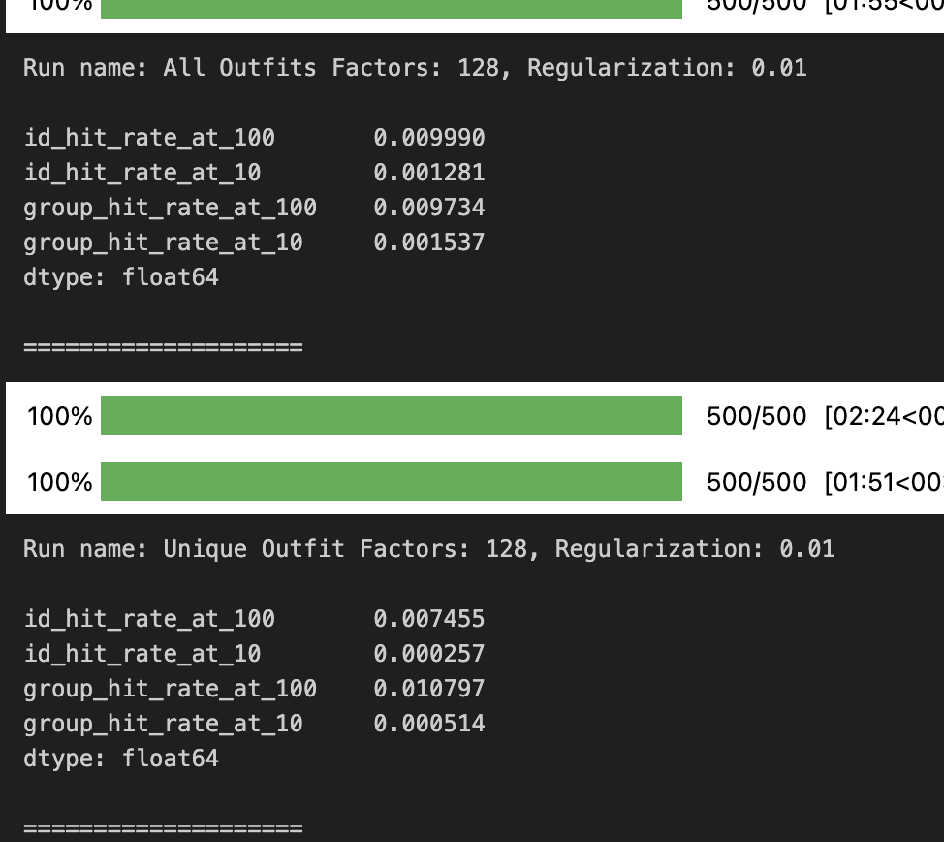
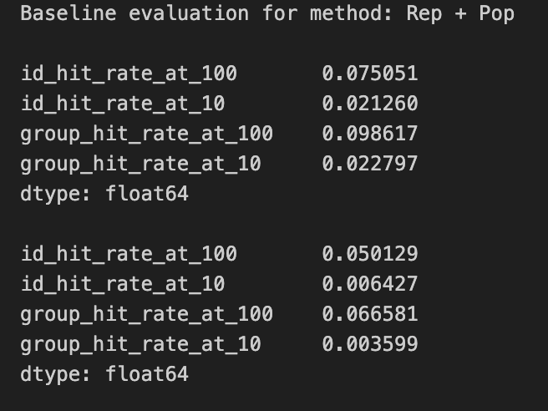
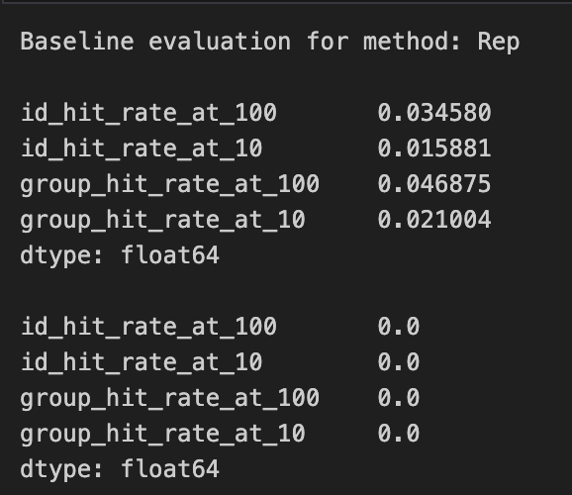
Baseline evaluation for method: Rep + Pop

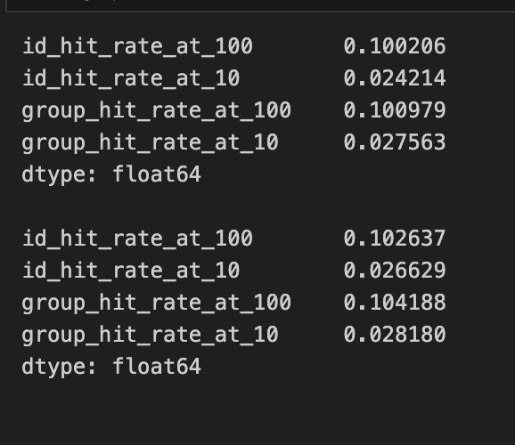
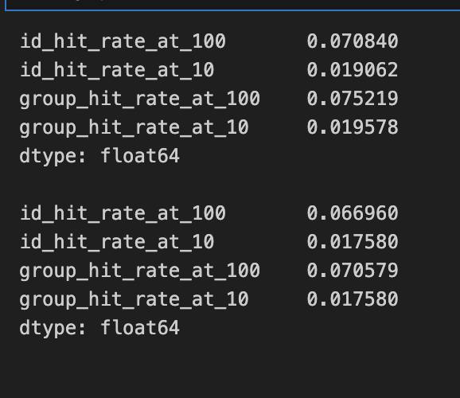
 |  |  |  | items
 | Tag embeding |  | combined | 10 | 0.024214
content based |  |  |  | 100 | 0.100206
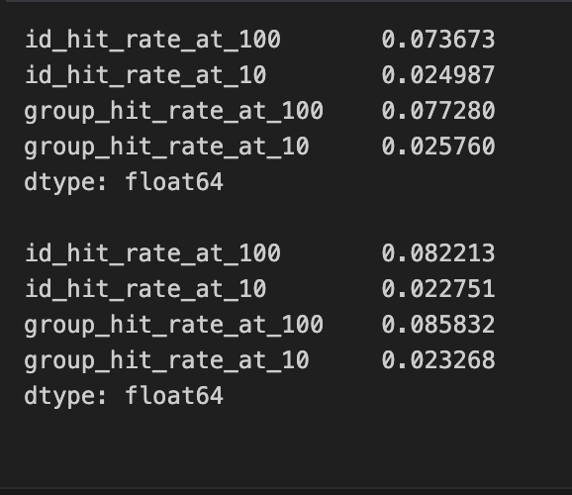
 |  |  |  | 10 new | 0.027563
 |  |  |  | 100 new | 0.100979
 |  |  |  | group
 |  |  |  | 10 | 0.026629
 |  |  |  | 100 | 0.102637
 |  |  |  | 10 new | 0.02818
 |  |  |  | 100 new | 0.104188

ALS |  | BPR
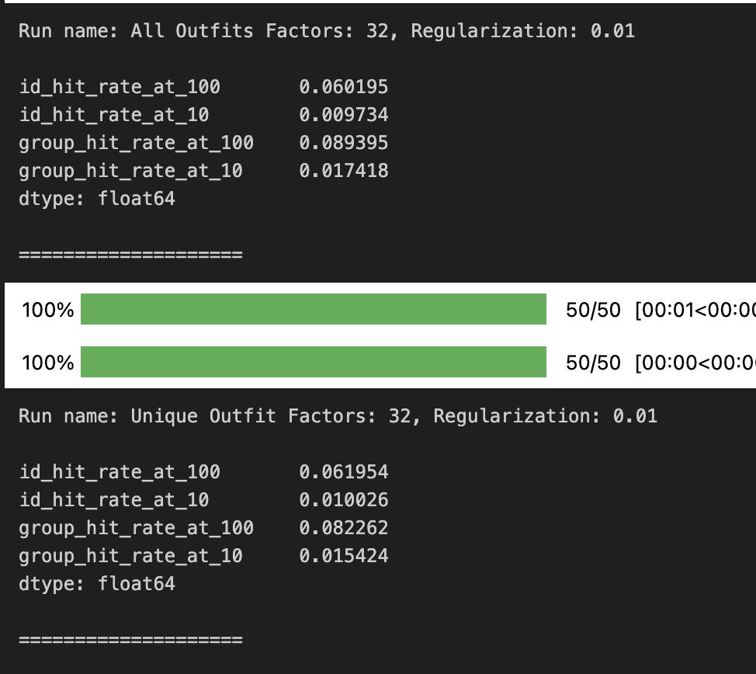
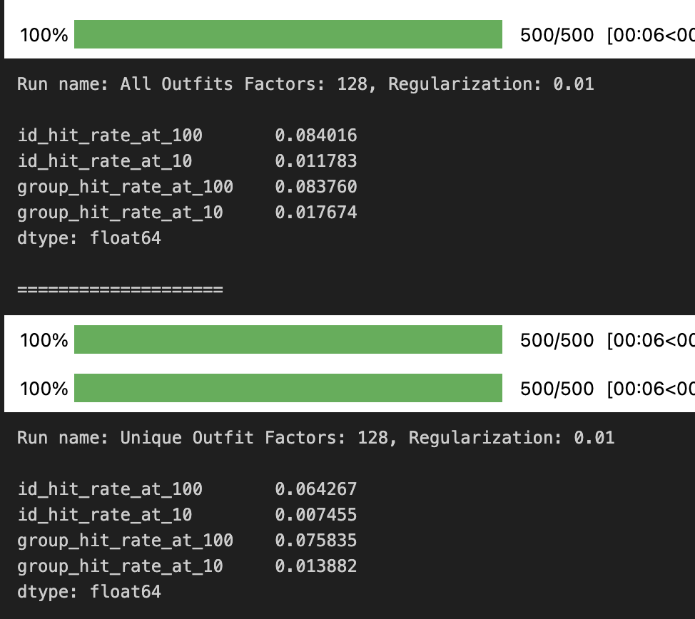

LogisticMatrixFactorization

